Sheet1
 | 1 |  | 0.75 |  | 0.5 |  | 0.25 |  | 0
0.00598489 | 9.25657 | 0.00598072 | 7.28956 | 0.00599491 | 1.42171 | 0.00599381 | 0.881511 | 0.00630615 | 0.31791611635
0.00699493 | 10.0377 | 0.00673526 | 7.43731 | 0.00673049 | 1.39763 | 0.00673375 | 0.963782 | 0.00735129 | 0.30708588664
0.00815277 | 9.14245 | 0.007556 | 5.85831 | 0.00755091 | 1.30814 | 0.00755328 | 0.898274 | 0.00857601 | 0.3254590773
0.00950586 | 8.4773 | 0.00847773 | 4.89153 | 0.00847424 | 1.21344 | 0.00847384 | 0.873063 | 0.00999441 | 0.320336
0.0110843 | 7.62948 | 0.00951197 | 4.21509 | 0.00950831 | 1.1426 | 0.00950451 | 0.863435 | 0.0116565 | 0.31348822272
0.0129251 | 6.94894 | 0.0106716 | 3.59565 | 0.0106683 | 1.0797 | 0.0106677 | 0.909814 | 0.0135947 | 0.30179665005
0.0150675 | 6.72424 | 0.0119715 | 3.04727 | 0.011973 | 1.0105 | 0.0119669 | 0.946641 | 0.0158452 | 0.28695912792
0.017579 | 5.42114 | 0.0134371 | 2.7302 | 0.0134339 | 0.940734 | 0.0134326 | 0.960094 | 0.0184836 | 0.26617545253
0.0204849 | 4.07743 | 0.0150674 | 2.39778 | 0.015076 | 0.874496 | 0.0150601 | 0.972566 | 0.021543 | 0.23765748125
0.0238871 | 3.92285 | 0.0169128 | 2.1417 | 0.0169117 | 0.819878 | 0.0169106 | 0.959002
0.0278439 | 3.53494 | 0.0189674 | 1.90548 | 0.0189749 | 0.771854 | 0.0189693 | 0.953491
0.0300167 | 3.5236 | 0.0212814 | 1.71832 | 0.0212875 | 0.723351 | 0.0212854 | 0.994543
 |  | 0.0238895 | 1.54621 | 0.0238864 | 0.679995 | 0.0238781 | 1.07663
 |  | 0.0268065 | 1.3626 | 0.0267996 | 0.639327 | 0.0267913 | 1.15914
 |  | 0.0300679 | 1.22246 | 0.0300769 | 0.605107 | 0.0299835 | 1.24621
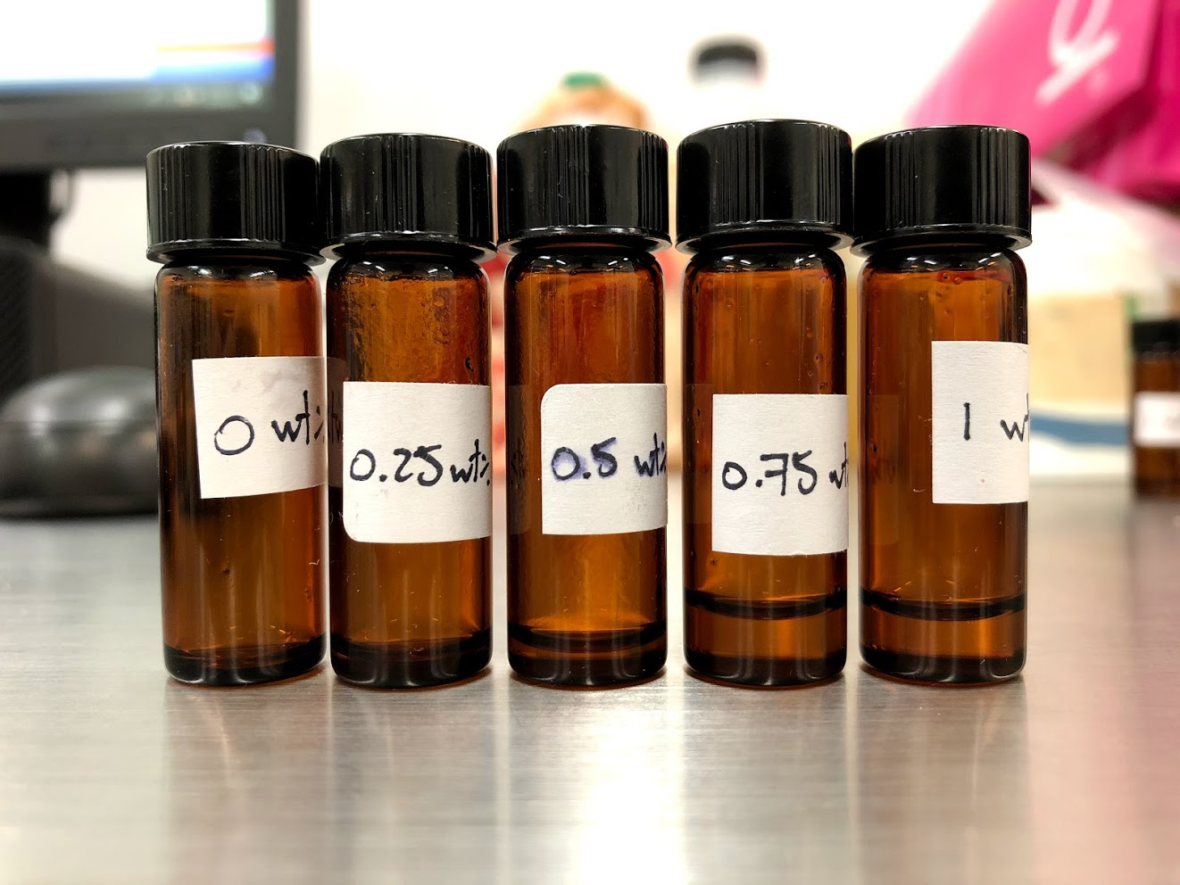

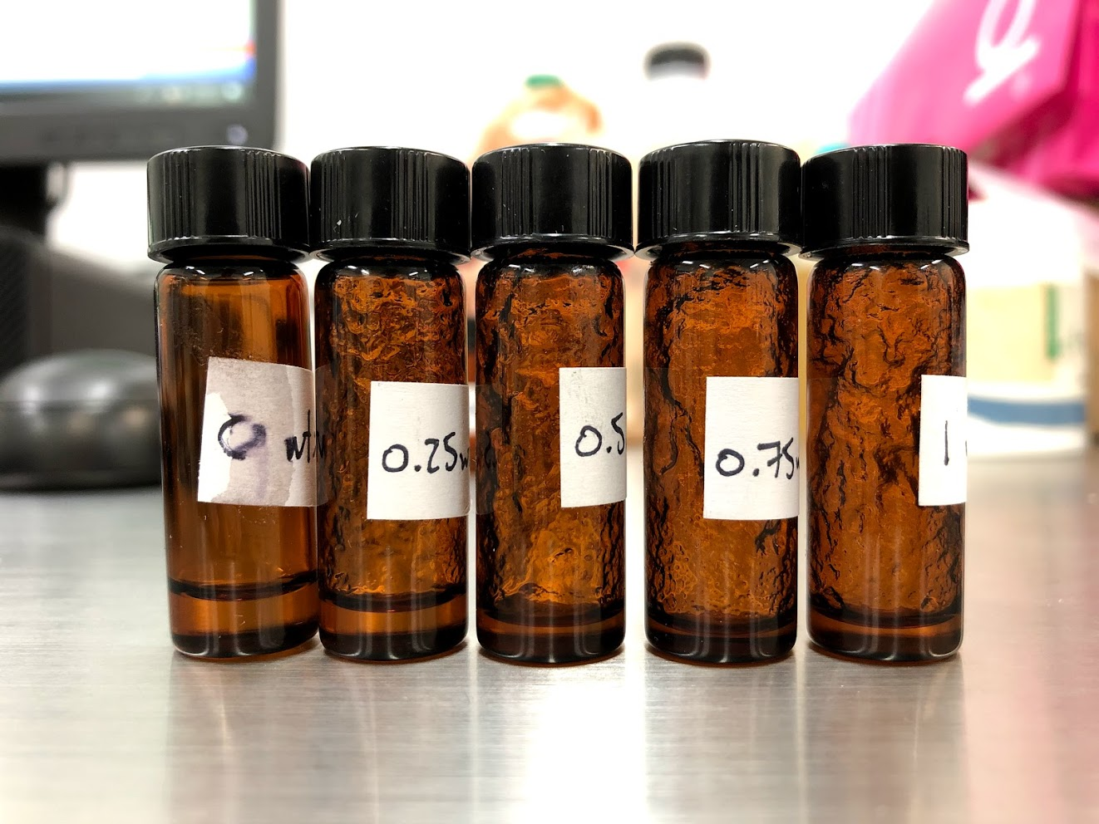
 | 1 |  | 0.5 |  | 0.25 |  | 0.75 |  | 0
0.0100224 | 224.499 | 0.0100129 | 200.872 | 0.00998133 | 115.865 | 0.00999455 | 46.5633 | 0.00999686 | 0.320336
0.0125907 | 190.329 | 0.012588 | 171.04 | 0.012584 | 151.68 | 0.0125925 | 45.411 | 0.0125897 | 0.328418
0.0158503 | 154.427 | 0.0158559 | 130.04 | 0.0158489 | 131.592 | 0.0158489 | 36.6601 | 0.015871 | 0.110508
0.0199565 | 123.677 | 0.0199531 | 100.34 | 0.0199573 | 109.775 | 0.019952 | 28.9301 | 0.0199511 | 0.0731805
0.025116 | 97.2946 | 0.0251268 | 78.529 | 0.0251293 | 90.3254 | 0.0251268 | 22.9455 | 0.0251133 | 0.0613827
0.0316238 | 76.6557 | 0.0316245 | 61.84 | 0.0316198 | 73.095 | 0.0316215 | 17.5683 | 0.0316103 | 0.0598069
0.0398009 | 61.9846 | 0.0398172 | 49.3856 | 0.0398131 | 58.5037 | 0.039822 | 13.6568 | 0.0397967 | 0.0473385
0.0501104 | 51.3725 | 0.0501126 | 39.566 | 0.0501091 | 46.9257 | 0.0501288 | 11.17 | 0.0501209 | 0.0443578
0.0630964 | 41.8653 | 0.0630888 | 32.2846 | 0.0630932 | 38.1231 | 0.0631028 | 8.95244 | 0.0630924 | 0.0385712
0.0794355 | 34.9225 | 0.0794354 | 26.1957 | 0.0794301 | 31.1414 | 0.0794354 | 7.482 | 0.0794198 | 0.0351839
0.0999961 | 28.9383 | 0.099997 | 21.3532 | 0.100002 | 25.2553 | 0.10001 | 6.07123 | 0.100011 | 0.0336142
0.125884 | 24.4038 | 0.125891 | 17.5599 | 0.125899 | 20.1913 | 0.125891 | 4.96833 | 0.1259 | 0.0305453
0.158488 | 20.6804 | 0.158495 | 14.4474 | 0.158491 | 16.1194 | 0.158481 | 4.11047 | 0.158493 | 0.0294435
0.199524 | 17.67 | 0.199529 | 11.7366 | 0.199519 | 13.0615 | 0.199522 | 3.43035 | 0.199531 | 0.0282353

0WT
Stress | Shear rate | Viscosity | Step time | Temperature | Normal stress | Axial force | Gap | Normal stress coefficient | Time | Torque | Velocity
Pa | 1/s | Pa.s | s | °C | Pa | N | µm | Pa.s² | s | µN.m | rad/s
3.20E-03 | 0.01 | 0.320336 | 35.1703 | 20 | -147.903 | -0.209093 | 23.0267 | -1479960 | 35.1703 | 0.181089 | 1.74E-04
4.13E-03 | 0.0125897 | 0.328418 | 70.2213 | 20 | -155.059 | -0.219209 | 23.027 | -978283 | 70.2213 | 0.233811 | 2.19E-04
1.75E-03 | 0.015871 | 0.110508 | 105.275 | 20 | -162.28 | -0.229417 | 23.0292 | -644250 | 105.275 | 0.0991791 | 2.76E-04
1.46E-03 | 0.0199511 | 0.0731805 | 140.337 | 20 | -168.788 | -0.238618 | 23.0295 | -424038 | 140.337 | 0.082563 | 3.47E-04
1.54E-03 | 0.0251133 | 0.0613827 | 175.362 | 20.001 | -174.96 | -0.247343 | 23.029 | -277416 | 175.362 | 0.087171 | 4.37E-04
1.89E-03 | 0.0316103 | 0.0598069 | 210.382 | 20 | -181.568 | -0.256685 | 23.0262 | -181711 | 210.382 | 0.106906 | 5.50E-04
1.88E-03 | 0.0397967 | 0.0473385 | 245.493 | 20 | -187.596 | -0.265207 | 23.0257 | -118448 | 245.493 | 0.106533 | 6.92E-04
2.22E-03 | 0.0501209 | 0.0443578 | 280.525 | 20.001 | -193.956 | -0.274199 | 23.0259 | -77208.5 | 280.525 | 0.125722 | 8.72E-04
2.43E-03 | 0.0630924 | 0.0385712 | 315.556 | 20 | -200.056 | -0.282823 | 23.0234 | -50257.1 | 315.556 | 0.137614 | 1.10E-03
2.79E-03 | 0.0794198 | 0.0351839 | 350.597 | 20 | -204.991 | -0.289799 | 23.0293 | -32499.5 | 350.597 | 0.158014 | 1.38E-03
3.36E-03 | 0.100011 | 0.0336142 | 385.659 | 20 | -211.284 | -0.298695 | 23.0255 | -21123.6 | 385.659 | 0.190105 | 1.74E-03
3.85E-03 | 0.1259 | 0.0305453 | 420.708 | 20 | -216.939 | -0.30669 | 23.0243 | -13686.4 | 420.708 | 0.217466 | 2.19E-03
4.67E-03 | 0.158493 | 0.0294435 | 455.762 | 20 | -222.364 | -0.31436 | 23.0293 | -8852.05 | 455.762 | 0.26389 | 2.76E-03
5.63E-03 | 0.199531 | 0.0282353 | 490.792 | 20 | -227.634 | -0.32181 | 23.0222 | -5717.64 | 490.792 | 0.318585 | 3.47E-03
6.81E-03 | 0.251182 | 0.0271285 | 525.817 | 20 | -230.842 | -0.326345 | 23.0241 | -3658.8 | 525.817 | 0.385334 | 4.37E-03
8.26E-03 | 0.316234 | 0.0261138 | 560.854 | 20 | -236.68 | -0.334599 | 23.0259 | -2366.71 | 560.854 | 0.466983 | 5.50E-03
0.0101655 | 0.398127 | 0.0255332 | 595.922 | 20 | -239.952 | -0.339224 | 23.0283 | -1513.84 | 595.922 | 0.574843 | 6.93E-03
0.0122003 | 0.501188 | 0.0243427 | 630.968 | 20 | -245.528 | -0.347107 | 23.0254 | -977.461 | 630.968 | 0.689908 | 8.72E-03
0.0151341 | 0.630958 | 0.0239859 | 666.022 | 20 | -247.479 | -0.349865 | 23.028 | -621.638 | 666.022 | 0.855813 | 0.0109786
0.0193352 | 0.794331 | 0.0243415 | 701.06 | 20 | -251.514 | -0.35557 | 23.022 | -398.62 | 701.06 | 1.09338 | 0.0138213
0.0229035 | 0.999998 | 0.0229035 | 736.134 | 19.999 | -256.205 | -0.362202 | 23.023 | -256.206 | 736.134 | 1.29516 | 0.0173999

 |  |  |  |  |  |  |  | 0.067393852381

 |  |  |  |  |  |  |  |  |  |  |  | Sections
 |  |  |  |  |  |  |  |  |  |  |  | polymers
 |  |  |  |  |  |  |  |  |  |  |  | rheology
 |  |  |  |  |  |  |  |  |  |  |  | posible polymers

 |  |  |  |  |  |  |  |  |  |  |  | Hypothesis
 |  |  |  |  |  |  |  |  |  |  |  | This polymers "" will alow the reduction of
 |  |  |  |  |  |  |  |  |  |  |  | PEO concentration, and hence a pure SU-8
 |  |  |  |  |  |  |  |  |  |  |  | structure after electrospun (before pyrolysis)

0.25WT
Stress | Shear rate | Viscosity | Step time | Temperature | Normal stress | Axial force | Gap | Normal stress coefficient | Time | Torque | Velocity
Pa | 1/s | Pa.s | s | °C | Pa | N | µm | Pa.s² | s | µN.m | rad/s
1.15648 | 9.98E-03 | 115.865 | 35.1868 | 19.998 | -12.7404 | -0.0180113 | 23.0237 | -127881 | 35.1868 | 65.3976 | 1.74E-04
1.90875 | 0.012584 | 151.68 | 70.2275 | 20 | -11.5942 | -0.0163909 | 23.024 | -73215.2 | 70.2275 | 107.937 | 2.19E-04
2.08558 | 0.0158489 | 131.592 | 105.282 | 20.001 | -12.3357 | -0.0174391 | 23.0245 | -49109.3 | 105.282 | 117.937 | 2.76E-04
2.1908 | 0.0199573 | 109.775 | 140.341 | 20 | -13.0692 | -0.0184761 | 23.0238 | -32813 | 140.341 | 123.887 | 3.47E-04
2.26981 | 0.0251293 | 90.3254 | 175.425 | 20.001 | -13.1539 | -0.0185958 | 23.0257 | -20830.1 | 175.425 | 128.355 | 4.37E-04
2.31125 | 0.0316198 | 73.095 | 210.486 | 19.998 | -13.0967 | -0.018515 | 23.0304 | -13099.2 | 210.486 | 130.698 | 5.50E-04
2.32921 | 0.0398131 | 58.5037 | 245.504 | 20 | -12.8275 | -0.0181344 | 23.0295 | -8092.63 | 245.504 | 131.714 | 6.93E-04
2.35141 | 0.0501091 | 46.9257 | 280.548 | 20 | -13.7539 | -0.0194442 | 23.0259 | -5477.64 | 280.548 | 132.969 | 8.72E-04
2.40531 | 0.0630932 | 38.1231 | 315.588 | 20 | -12.9893 | -0.0183632 | 23.0295 | -3263.03 | 315.588 | 136.017 | 1.10E-03
2.47357 | 0.0794301 | 31.1414 | 350.629 | 20.001 | -11.589 | -0.0163836 | 23.0292 | -1836.86 | 350.629 | 139.877 | 1.38E-03
2.52558 | 0.100002 | 25.2553 | 385.695 | 20 | -9.65067 | -0.0136433 | 23.0245 | -965.031 | 385.695 | 142.818 | 1.74E-03
2.54206 | 0.125899 | 20.1913 | 420.721 | 20.001 | -8.64939 | -0.0122278 | 23.0231 | -545.686 | 420.721 | 143.75 | 2.19E-03
2.55477 | 0.158491 | 16.1194 | 455.777 | 20.001 | -8.65597 | -0.0122371 | 23.0242 | -344.593 | 455.777 | 144.469 | 2.76E-03
2.60602 | 0.199519 | 13.0615 | 490.822 | 20.001 | -7.16979 | -0.010136 | 23.0217 | -180.11 | 490.822 | 147.367 | 3.47E-03
2.77281 | 0.251189 | 11.0388 | 525.882 | 20.001 | -2.91331 | -4.12E-03 | 23.0251 | -46.1728 | 525.882 | 156.799 | 4.37E-03
2.96845 | 0.316223 | 9.38722 | 560.93 | 20.001 | -0.615726 | -8.70E-04 | 23.0279 | -6.15747 | 560.93 | 167.862 | 5.50E-03
3.23049 | 0.398106 | 8.11464 | 595.961 | 20 | 3.29023 | 4.65E-03 | 23.0234 | 20.76 | 595.961 | 182.68 | 6.93E-03
3.48426 | 0.50118 | 6.95211 | 630.988 | 19.999 | 8.40067 | 0.0118762 | 23.0224 | 33.4447 | 630.988 | 197.03 | 8.72E-03
3.84805 | 0.630956 | 6.09876 | 666.068 | 20 | 14.6011 | 0.0206418 | 23.0229 | 36.6765 | 666.068 | 217.602 | 0.0109786
4.39216 | 0.794315 | 5.5295 | 701.126 | 20.001 | 31.4817 | 0.0445062 | 23.0272 | 49.8968 | 701.126 | 248.371 | 0.013821
5.0021 | 0.99999 | 5.00215 | 736.145 | 19.999 | 41.3925 | 0.0585173 | 23.0205 | 41.3934 | 736.145 | 282.862 | 0.0173998

 |  |  |  |  |  |  |  | 46.370332381

0.5WT
Stress | Shear rate | Viscosity | Step time | Temperature | Normal stress | Axial force | Gap | Normal stress coefficient | Time | Torque | Velocity
Pa | 1/s | Pa.s | s | °C | Pa | N | µm | Pa.s² | s | µN.m | rad/s
2.01131 | 0.0100129 | 200.872 | 35.156 | 19.998 | 0.0848469 | 1.20E-04 | 23.0253 | 846.284 | 35.156 | 113.737 | 1.74E-04
2.15305 | 0.012588 | 171.04 | 70.1884 | 19.999 | -2.1835 | -3.09E-03 | 23.0271 | -13779.7 | 70.1884 | 121.752 | 2.19E-04
2.06191 | 0.0158559 | 130.04 | 105.233 | 19.999 | -5.56187 | -7.86E-03 | 23.0196 | -22122.7 | 105.233 | 116.598 | 2.76E-04
2.0021 | 0.0199531 | 100.34 | 140.286 | 20 | -8.08966 | -0.0114365 | 23.0186 | -20319.3 | 140.286 | 113.216 | 3.47E-04
1.97319 | 0.0251268 | 78.529 | 175.334 | 20.001 | -13.9588 | -0.0197337 | 23.0276 | -22109.1 | 175.334 | 111.581 | 4.37E-04
1.95566 | 0.0316245 | 61.84 | 210.422 | 20 | -15.2402 | -0.0215454 | 23.029 | -15238.5 | 210.422 | 110.59 | 5.50E-04
1.96639 | 0.0398172 | 49.3856 | 245.46 | 20 | -21.6633 | -0.0306258 | 23.0221 | -13664.2 | 245.46 | 111.197 | 6.93E-04
1.98275 | 0.0501126 | 39.566 | 280.493 | 20 | -24.2877 | -0.034336 | 23.0271 | -9671.5 | 280.493 | 112.122 | 8.72E-04
2.03679 | 0.0630888 | 32.2846 | 315.519 | 20.001 | -25.2293 | -0.035667 | 23.0208 | -6338.69 | 315.519 | 115.178 | 1.10E-03
2.08086 | 0.0794354 | 26.1957 | 350.591 | 20 | -32.9608 | -0.0465972 | 23.026 | -5223.59 | 350.591 | 117.67 | 1.38E-03
2.13526 | 0.099997 | 21.3532 | 385.661 | 20 | -30.1495 | -0.0426229 | 23.0253 | -3015.13 | 385.661 | 120.746 | 1.74E-03
2.21063 | 0.125891 | 17.5599 | 420.723 | 20.001 | -42.3552 | -0.0598783 | 23.0273 | -2672.51 | 420.723 | 125.008 | 2.19E-03
2.28983 | 0.158495 | 14.4474 | 455.754 | 20 | -47.6611 | -0.0673792 | 23.0212 | -1897.29 | 455.754 | 129.487 | 2.76E-03
2.34179 | 0.199529 | 11.7366 | 490.789 | 20 | -52.9878 | -0.0749097 | 23.03 | -1330.95 | 490.789 | 132.425 | 3.47E-03
2.43259 | 0.251187 | 9.68441 | 525.819 | 19.999 | -58.2505 | -0.0823497 | 23.0288 | -923.224 | 525.819 | 137.56 | 4.37E-03
2.56181 | 0.316217 | 8.10142 | 560.886 | 20 | -59.7707 | -0.0844988 | 23.0234 | -597.746 | 560.886 | 144.867 | 5.50E-03
2.71426 | 0.398109 | 6.81789 | 595.957 | 20 | -64.1579 | -0.0907011 | 23.0249 | -404.805 | 595.957 | 153.488 | 6.93E-03
2.8519 | 0.501189 | 5.69026 | 630.945 | 20 | -68.1814 | -0.0963892 | 23.0244 | -271.433 | 630.945 | 161.271 | 8.72E-03
2.95395 | 0.630954 | 4.68172 | 666.02 | 19.999 | -81.0646 | -0.114602 | 23.0271 | -203.627 | 666.02 | 167.042 | 0.0109786
3.1148 | 0.794328 | 3.92131 | 701.088 | 20 | -86.7672 | -0.122664 | 23.0258 | -137.517 | 701.088 | 176.138 | 0.0138213
3.34584 | 0.999997 | 3.34585 | 736.182 | 20 | -94.7629 | -0.133968 | 23.0221 | -94.7634 | 736.182 | 189.203 | 0.0173999

 |  |  |  |  |  |  |  | 47.496802857

0.75WT
Stress | Shear rate | Viscosity | Step time | Temperature | Normal stress | Axial force | Gap | Normal stress coefficient | Time | Torque | Velocity
Pa | 1/s | Pa.s | s | °C | Pa | N | µm | Pa.s² | s | µN.m | rad/s
0.46538 | 9.99E-03 | 46.5633 | 35.1659 | 19.998 | 3.33463 | 4.71E-03 | 23.022 | 33382.6 | 35.1659 | 26.3166 | 1.74E-04
0.571837 | 0.0125925 | 45.411 | 70.22 | 19.999 | 1.75703 | 2.48E-03 | 23.0247 | 11080.4 | 70.22 | 32.3366 | 2.19E-04
0.581023 | 0.0158489 | 36.6601 | 105.254 | 20 | -0.0810709 | -1.15E-04 | 23.0237 | -322.75 | 105.254 | 32.8561 | 2.76E-04
0.577214 | 0.019952 | 28.9301 | 140.252 | 20.001 | -1.77124 | -2.50E-03 | 23.0293 | -4449.44 | 140.252 | 32.6407 | 3.47E-04
0.576546 | 0.0251268 | 22.9455 | 175.285 | 19.999 | -2.76458 | -3.91E-03 | 23.0195 | -4378.81 | 175.285 | 32.6029 | 4.37E-04
0.555537 | 0.0316215 | 17.5683 | 210.378 | 20 | -4.35939 | -6.16E-03 | 23.0231 | -4359.73 | 210.378 | 31.4149 | 5.50E-04
0.54384 | 0.039822 | 13.6568 | 245.455 | 20 | -6.34893 | -8.98E-03 | 23.0237 | -4003.63 | 245.455 | 30.7534 | 6.93E-04
0.559939 | 0.0501288 | 11.17 | 280.486 | 19.999 | -7.46855 | -0.0105584 | 23.0236 | -2972.09 | 280.486 | 31.6638 | 8.72E-04
0.564924 | 0.0631028 | 8.95244 | 315.511 | 20 | -9.68756 | -0.0136955 | 23.0269 | -2432.86 | 315.511 | 31.9457 | 1.10E-03
0.594336 | 0.0794354 | 7.482 | 350.596 | 20 | -10.1469 | -0.0143448 | 23.0299 | -1608.06 | 350.596 | 33.6089 | 1.38E-03
0.607185 | 0.10001 | 6.07123 | 385.676 | 19.999 | -11.9288 | -0.016864 | 23.0293 | -1192.64 | 385.676 | 34.3355 | 1.74E-03
0.62547 | 0.125891 | 4.96833 | 420.722 | 19.999 | -12.6418 | -0.0178719 | 23.0244 | -797.657 | 420.722 | 35.3695 | 2.19E-03
0.65143 | 0.158481 | 4.11047 | 455.784 | 20 | -13.9023 | -0.0196539 | 23.0241 | -553.52 | 455.784 | 36.8375 | 2.76E-03
0.68443 | 0.199522 | 3.43035 | 490.809 | 20 | -15.5971 | -0.0220499 | 23.0226 | -391.8 | 490.809 | 38.7036 | 3.47E-03
0.723409 | 0.251195 | 2.87987 | 525.884 | 20 | -16.4058 | -0.0231931 | 23.0289 | -260.001 | 525.884 | 40.9078 | 4.37E-03
0.761319 | 0.316222 | 2.40755 | 560.972 | 20 | -16.6871 | -0.0235908 | 23.0244 | -166.876 | 560.972 | 43.0516 | 5.50E-03
0.810153 | 0.398112 | 2.03499 | 596.049 | 20.001 | -18.274 | -0.0258343 | 23.0218 | -115.298 | 596.049 | 45.8131 | 6.93E-03
0.861792 | 0.501189 | 1.71949 | 631.116 | 19.999 | -18.7693 | -0.0265344 | 23.03 | -74.7212 | 631.116 | 48.7332 | 8.72E-03
0.916598 | 0.630955 | 1.45272 | 666.168 | 20 | -19.6907 | -0.0278371 | 23.0261 | -49.4612 | 666.168 | 51.8324 | 0.0109786
0.996418 | 0.79433 | 1.25441 | 701.232 | 20 | -21.0079 | -0.0296992 | 23.0307 | -33.2951 | 701.232 | 56.3461 | 0.0138213
1.03535 | 1 | 1.03534 | 736.252 | 20 | -22.3989 | -0.0316658 | 23.0313 | -22.3987 | 736.252 | 58.5476 | 0.0174

 |  |  |  |  |  |  |  | 12.890680476

1WT
Stress | Shear rate | Viscosity | Step time | Temperature | Normal stress | Axial force | Gap | Normal stress coefficient | Time | Torque | Velocity
Pa | 1/s | Pa.s | s | °C | Pa | N | µm | Pa.s² | s | µN.m | rad/s
2.25003 | 0.0100224 | 224.499 | 35.1766 | 19.997 | 29.3321 | 0.0414672 | 23.0246 | 292010 | 35.1766 | 127.236 | 1.74E-04
2.39638 | 0.0125907 | 190.329 | 70.2234 | 19.999 | 24.302 | 0.0343561 | 23.0213 | 153299 | 70.2234 | 135.512 | 2.19E-04
2.44771 | 0.0158503 | 154.427 | 105.254 | 19.999 | 17.6365 | 0.024933 | 23.027 | 70200.3 | 105.254 | 138.415 | 2.76E-04
2.46816 | 0.0199565 | 123.677 | 140.293 | 19.999 | 14.4214 | 0.0203877 | 23.0296 | 36210.6 | 140.293 | 139.571 | 3.47E-04
2.44365 | 0.025116 | 97.2946 | 175.377 | 20 | 9.17704 | 0.0129737 | 23.0317 | 14548 | 175.377 | 138.185 | 4.37E-04
2.42414 | 0.0316238 | 76.6557 | 210.441 | 20 | 3.46981 | 4.91E-03 | 23.0301 | 3469.6 | 210.441 | 137.082 | 5.50E-04
2.46704 | 0.0398009 | 61.9846 | 245.502 | 20.001 | -1.79985 | -2.54E-03 | 23.0188 | -1136.19 | 245.502 | 139.508 | 6.93E-04
2.5743 | 0.0501104 | 51.3725 | 280.562 | 20.001 | -6.6895 | -9.46E-03 | 23.0312 | -2664.03 | 280.562 | 145.573 | 8.72E-04
2.64155 | 0.0630964 | 41.8653 | 315.624 | 20 | -11.5023 | -0.016261 | 23.0282 | -2889.18 | 315.624 | 149.376 | 1.10E-03
2.77409 | 0.0794355 | 34.9225 | 350.663 | 20 | -16.2221 | -0.0229335 | 23.0226 | -2570.86 | 350.663 | 156.871 | 1.38E-03
2.89372 | 0.0999961 | 28.9383 | 385.712 | 20 | -22.5869 | -0.0319315 | 23.0187 | -2258.87 | 385.712 | 163.636 | 1.74E-03
3.07204 | 0.125884 | 24.4038 | 420.726 | 19.999 | -27.407 | -0.0387457 | 23.0277 | -1729.5 | 420.726 | 173.72 | 2.19E-03
3.27758 | 0.158488 | 20.6804 | 455.769 | 20 | -31.9036 | -0.0451026 | 23.0273 | -1270.13 | 455.769 | 185.343 | 2.76E-03
3.52558 | 0.199524 | 17.67 | 490.861 | 20.001 | -36.0624 | -0.0509821 | 23.0234 | -905.869 | 490.861 | 199.367 | 3.47E-03
3.86395 | 0.251184 | 15.3829 | 525.891 | 20 | -41.617 | -0.0588347 | 23.0236 | -659.609 | 525.891 | 218.501 | 4.37E-03
4.13477 | 0.316223 | 13.0755 | 560.942 | 20 | -46.4458 | -0.0656612 | 23.0219 | -464.472 | 560.942 | 233.816 | 5.50E-03
4.6832 | 0.398109 | 11.7636 | 596.011 | 20 | -48.6707 | -0.0688065 | 23.0271 | -307.088 | 596.011 | 264.829 | 6.93E-03
5.1713 | 0.501182 | 10.3182 | 631.091 | 20 | -52.6997 | -0.0745024 | 23.0218 | -209.806 | 631.091 | 292.43 | 8.72E-03
5.89165 | 0.630947 | 9.33779 | 666.13 | 20 | -56.9287 | -0.080481 | 23.0189 | -143.003 | 666.13 | 333.165 | 0.0109785
6.82051 | 0.794313 | 8.58668 | 701.156 | 20 | -58.4343 | -0.0826096 | 23.0288 | -92.6156 | 701.156 | 385.691 | 0.013821
8.0149 | 0.999992 | 8.01497 | 736.174 | 20.001 | -58.8107 | -0.0831416 | 23.0221 | -58.8116 | 736.174 | 453.232 | 0.0173998

 |  |  |  |  |  |  |  | 58.342825714

